TRANSFORMATION EQUATIONS
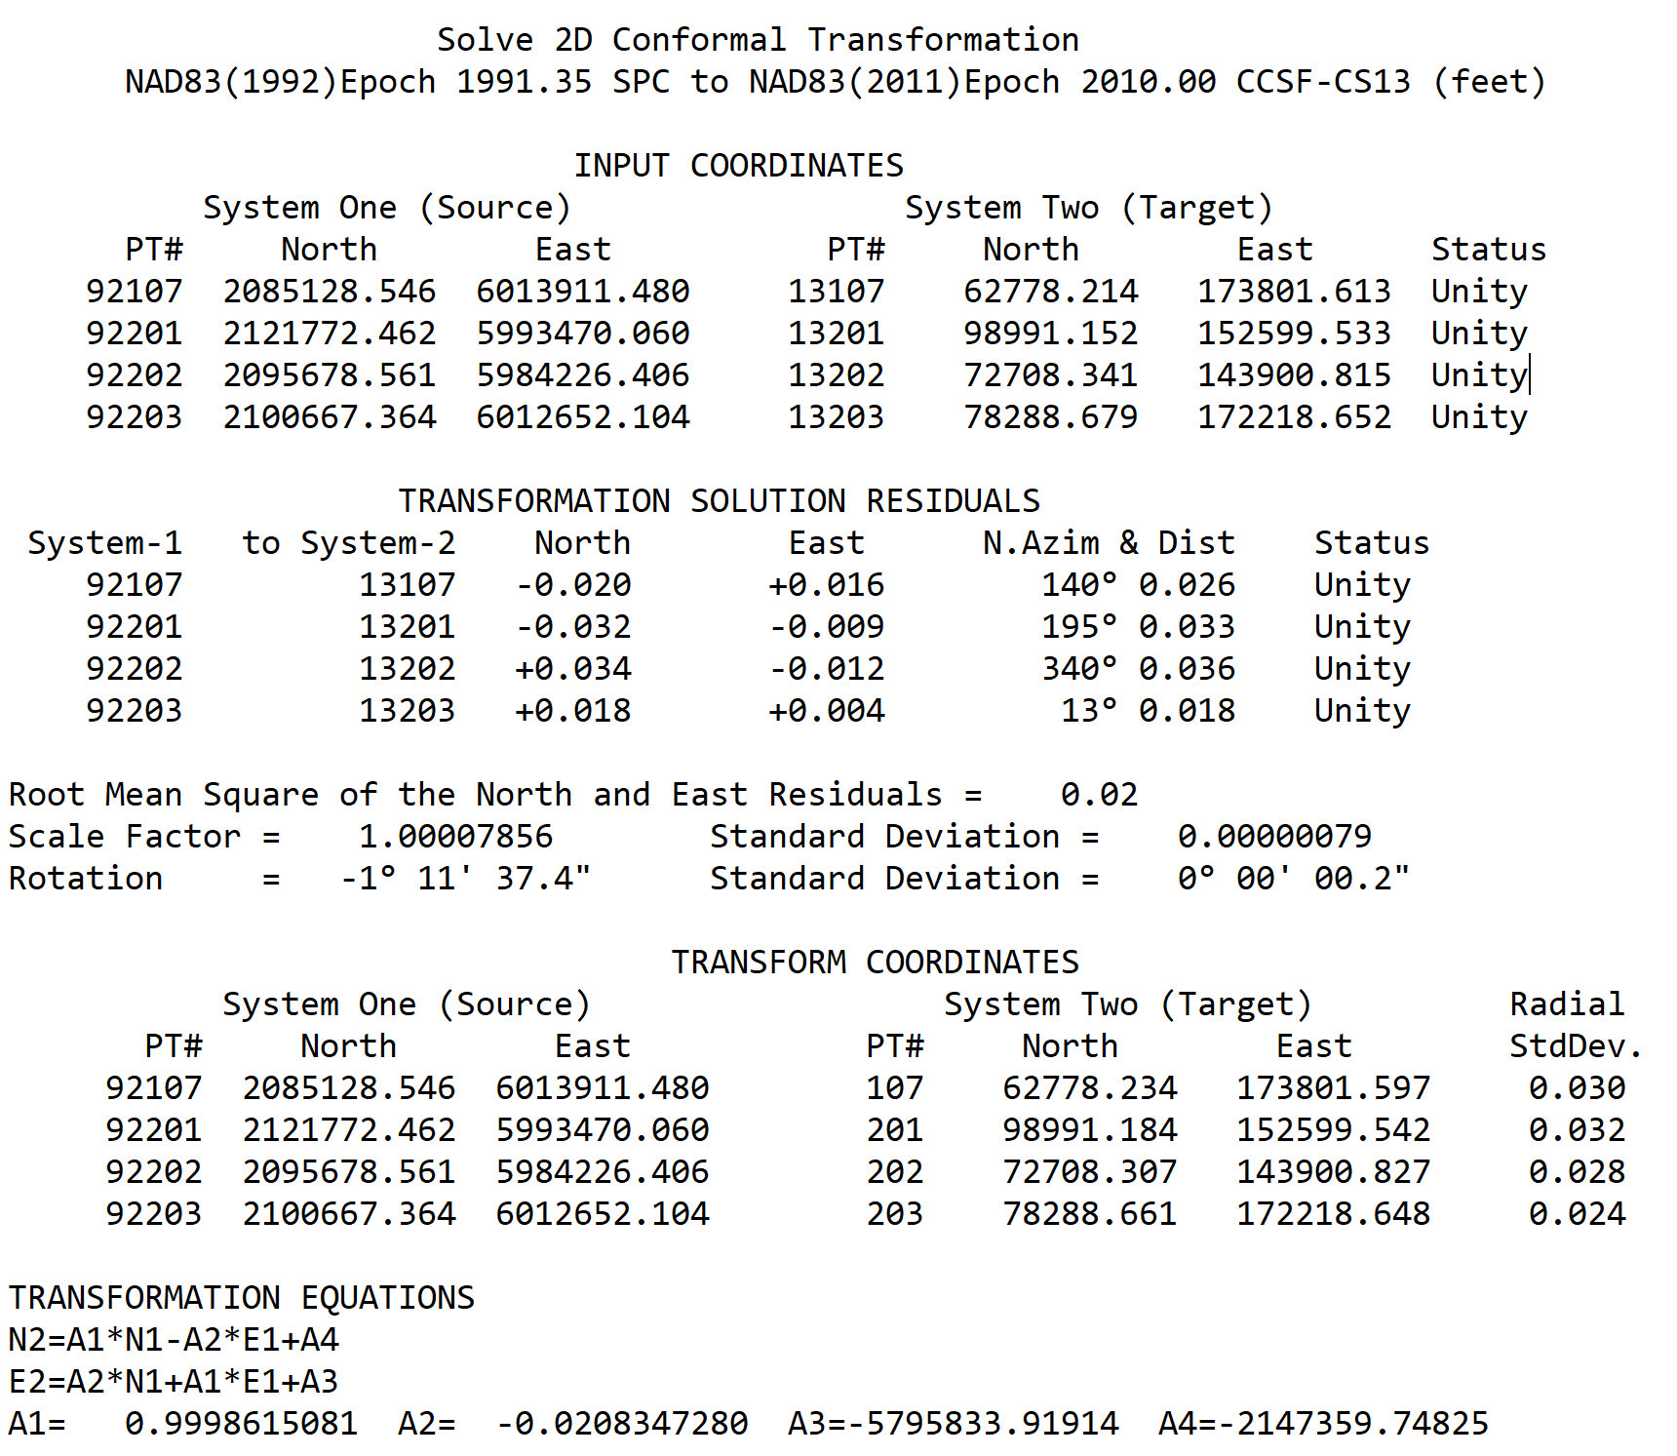
"TRIAD" Two Dimensional Conformal Transformation
Transforms NAD83(1992) Epoch 1991.35 State Plane Zone 3 to NAD83(2011) Epoch 2010.00 CCSF-CS13 Coordinates
Based on CA HPGN Stations. See Survey Report of the City & County of San Francisco |  |  | Constants
2013 High Precision Network Survey and Record Survey #8080 on the City Website |  |  | A1 | 0.9998615081
SYSTEM (1): NAD83(1991) Epoch 1991.35 SPC Zone 3 (feet) |  |  | A2 | -0.0208347280
SYSTEM (2): NAD83(2011) Epoch 2010.00 CCSF-CS13 (feet) |  |  | A3 | -5795833.91914
TRANSFORMATION EQUATIONS: N2=A1*N1-A2*E1+A4 E2=A2*N1+A1*E1+A3 |  |  | A4 | -2147359.74825
 | Enter Coordinate |  | Transformed Coordinate
POINT# | NORTH (1) | EAST (1) | NORTH (2) | EAST (2)
107 | 2085128.546 | 6013911.480 | 62778.234 | 173801.597
201 | 2121772.462 | 5993470.060 | 98991.184 | 152599.542
202 | 2095678.561 | 5984226.406 | 72708.308 | 143900.827
203 | 2100667.364 | 6012652.104 | 78288.661 | 172218.648

