TRANSFORMATION EQUATIONS
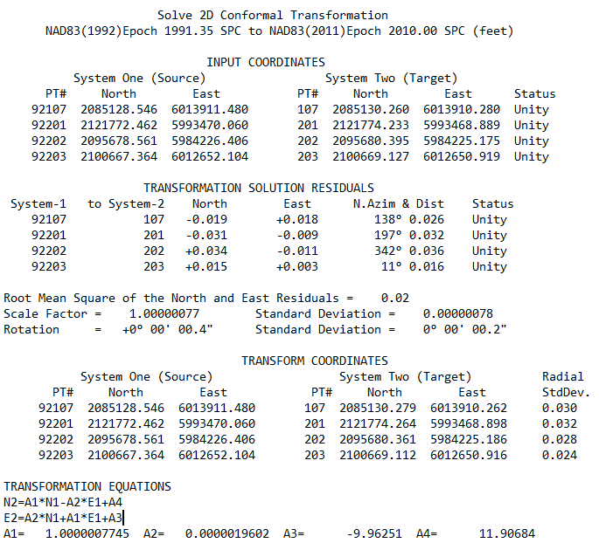
"TRIAD" Two Dimensional Conformal Transformation
Transforms NAD83(1992) Epoch 1991.35 State Plane Zone 3 to NAD83(2011) Epoch 2010.00 State Plane Zone 3 Coordinates
Based on CA HPGN Stations listed below. See "Survey Report of the City & |  |  | Constants
County of San Francisco 2013 High Precision Network Survey on the City Website |  |  | A1 | 1.0000007745
SYSTEM(1): NAD83(1992) Epoch 1991.35 SPC Zone 3 (feet) |  |  | A2 | 0.0000019602
SYSTEM(2): NAD83(2011) Epoch 2010.00 SPC Zone 3 (feet) |  |  | A3 | -9.96251
TRANSFORMATION EQUATIONS: N2=A1*N1-A2*E1+A4 E2=A2*N1+A1*E1+A3 |  |  | A4 | 11.90684
 | Enter Coordinate |  | Transformed Coordinate
POINT# | NORTH (1) | EAST (1) | NORTH (2) | EAST (2)
107 | 2085128.546 | 6013911.480 | 2085130.279 | 6013910.263
201 | 2121772.462 | 5993470.060 | 2121774.264 | 5993468.899
202 | 2095678.561 | 5984226.406 | 2095680.361 | 5984225.186
203 | 2100667.364 | 6012652.104 | 2100669.112 | 6012650.916

