TRANSFORMATION EQUATIONS
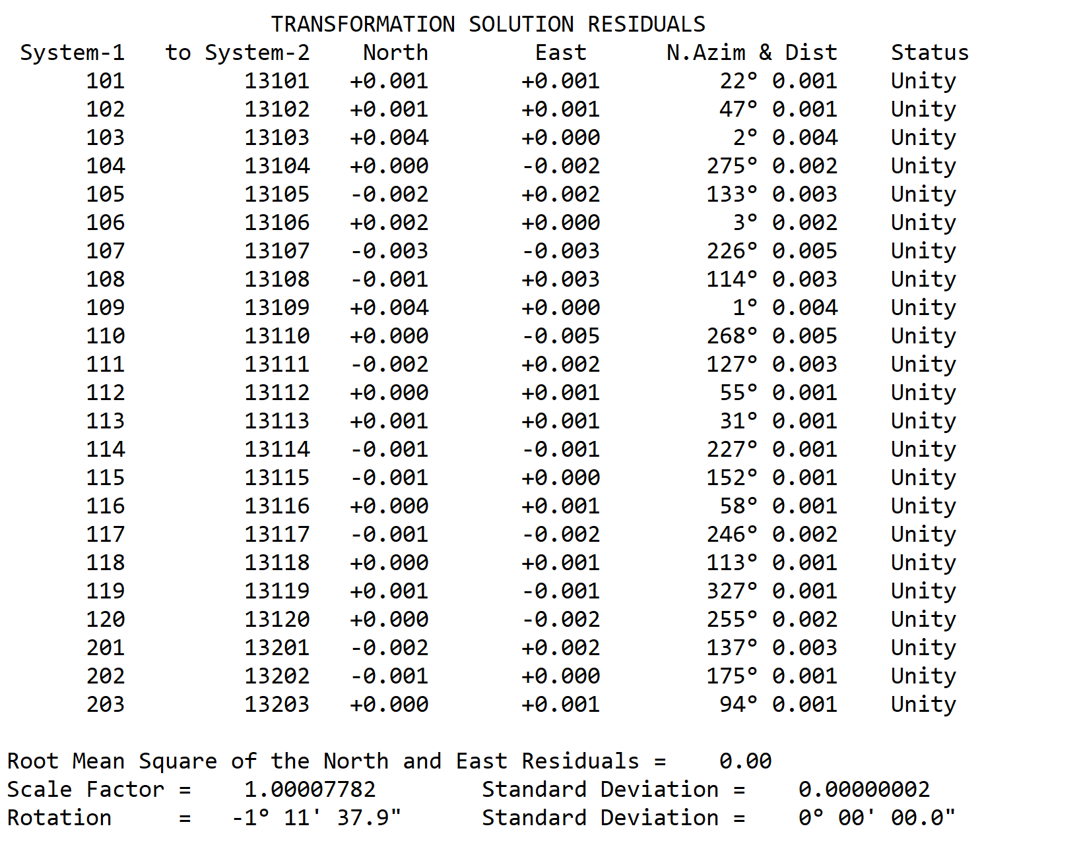
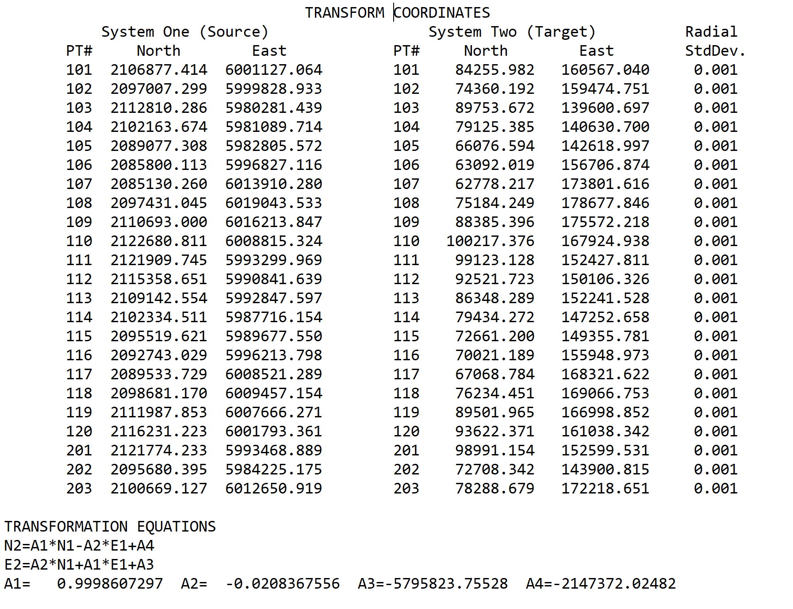
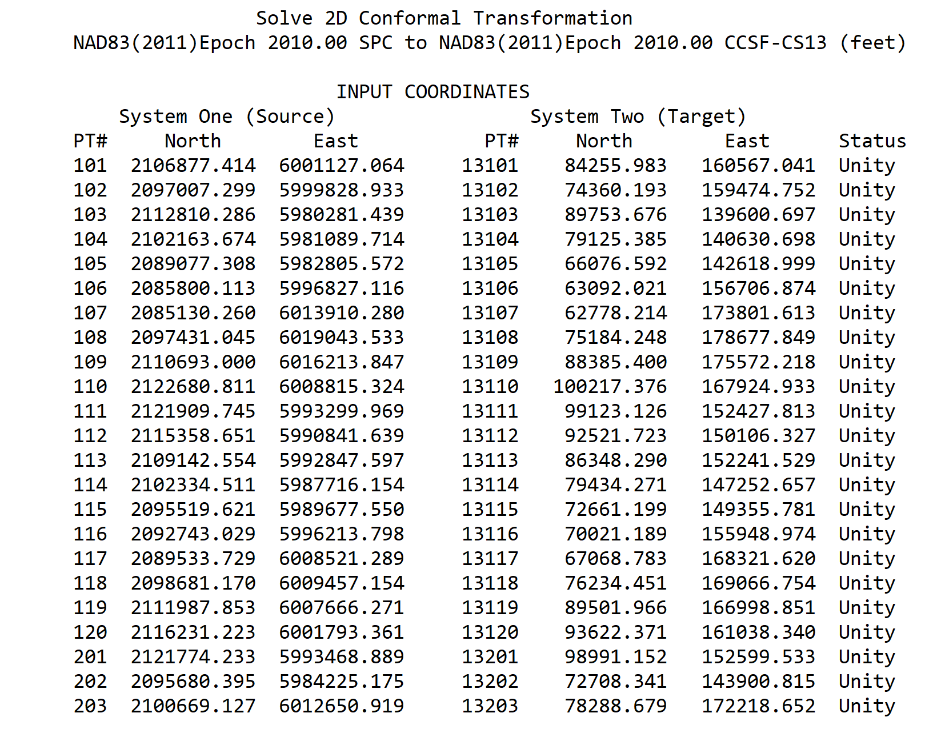
"TRIAD" Two Dimensional Conformal Transformation
Transforms NAD83(2011) Epoch 2010.00 State Plane Zone 3 to NAD83(2011) Epoch 2010.00 CCSF-CS13 Coordinates
Based on HPN & HPND Sta's. See Survey Report of the City & County of San Francisco |  |  | Constants
2013 High Precision Network Survey and Record Survey #8080 on the City Website |  |  | A1 | 0.9998607297
SYSTEM(1): NAD83(2011) 2010.00 Epoch SPC Z3 (feet) |  |  | A2 | -0.0208367556
SYSTEM(2): NAD83(2011) Epoch 2010.00 CCSF-CS13 (feet) |  |  | A3 | -5795823.7552800000
 |  |  | A4 | -2147372.0248200000
 | Enter Coordinate |  | Transformed Coordinate
POINT# | NORTH (1) | EAST (1) | NORTH (2) | EAST (2)
107 | 2085130.260 | 6013910.280 | 62778.217 | 173801.616

